How_to_use
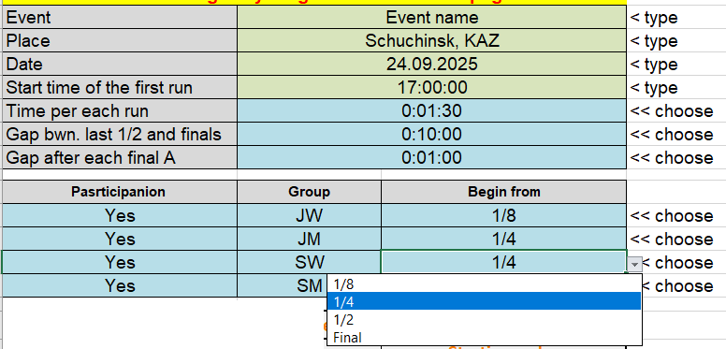
All data should be entered only on the "INPUT" sheet!
Do not change anything on the "brackets_small" and "brackets_big" sheets!
Feel the name, place and date of the event (not mandatory) and enter the start time of the first race in the green cells
"Time per each run" - choose the interval between two runs (including race time) from the drop-down list. In other words "ech heat in ….... minutes". The predefined list can be modified - change the values in cells A28:A34
"Gap bwn. last 1/2 and finals" - hoose from the list the interval time gap (if needed) between last 1/2 and first final.The predefined list can be modified - change the values in cells B28:B40
"Gap after each final A" - choose the gap to be applied after EACH final A. The predefined list can be modified - change the values in cells B28:B40
The table can be used for up to 4 groups of athletes (age groups, gender groups, etc.). Just select "YES" for each required group in "Participation" column. Or "No", if you need less than 4 groups.
Than select the name of the group in column "group". The list can be modified in cells E28:E40
Then select the stage from which each group will start in the column "Begin from"

The "Day schedule" table will be updated automatically, and can be simply copied to the TCM slides (feel free to change colors and fonts, if needed).

All the brackets will be updated automatically as well.
"brackets_small" is fitted to be printed as two groups per one A4 sheet.
"brackets_big" is fitted to be printed as one group per one A4 sheet.

There is also the opportunity to bring names to the next heat (round). Just fill in the arrivial order (1 and 2) to the blue marked cells (next to names). This is available for both brackets tables (big and small)

If you want to have the names and bib in brackets, then fill the tables on "QualResults" sheet for each group needed.
There are four columns defined for each group (BIB, Surname, Name, Nation), but any text in any order can be used there.
The text from all four columns will simply be added in brackets to the corresponding cells.
For example, the information about exicting WrittenReprimands can be added. See the exmple for group 4.
Or just leave these four columns blank if no information is required.

NOTE!
Starting from Office 2019, Microsoft added a new formula "textjion", which should replace the old command "concatenate".
The old formula should be discontinued soon (accroding to Microsoft).
For now the old formula was used, to have compartibility with older Excel (older than 2019).
This should works perfectly in all current Excel versions (including on MacOC and Office365), GoogleSheets, LibreOffice.
But in future, if the old formula is discontinued, then the file should be updated - just let us know ))

History.
v.1. 10.2021. The first version of the tool
v.2. 10.2022. Added numbering of bibs (if they differ from 1 to 16). Added autocomplete for next heats. Some subsequent improvements to the interface. Many thanks to Luca Ganmoena, for some ideas and improvements to the tool.

